Summary
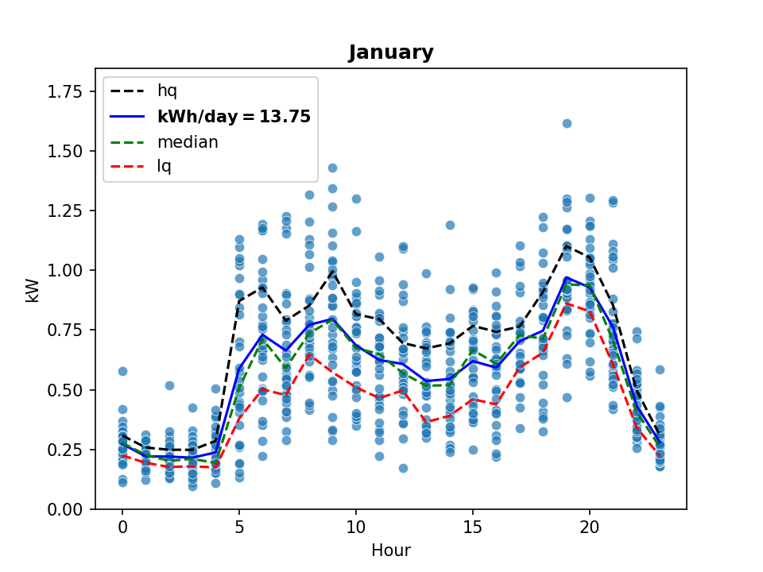
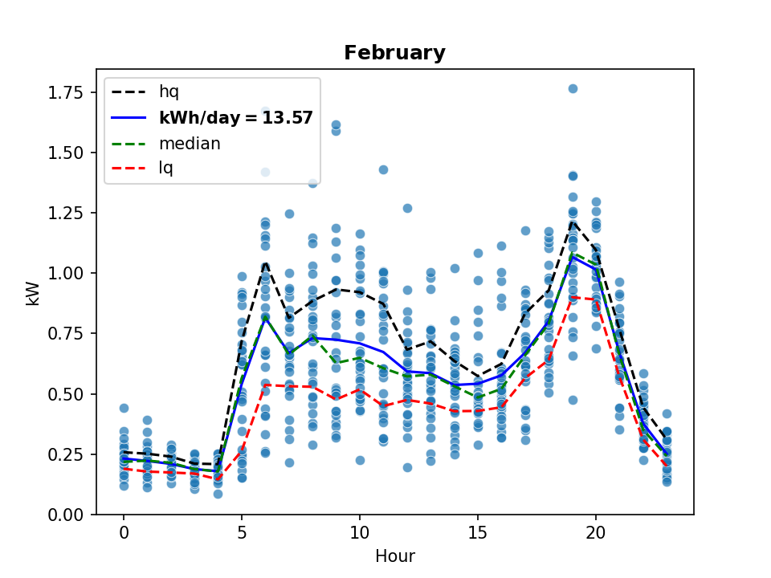
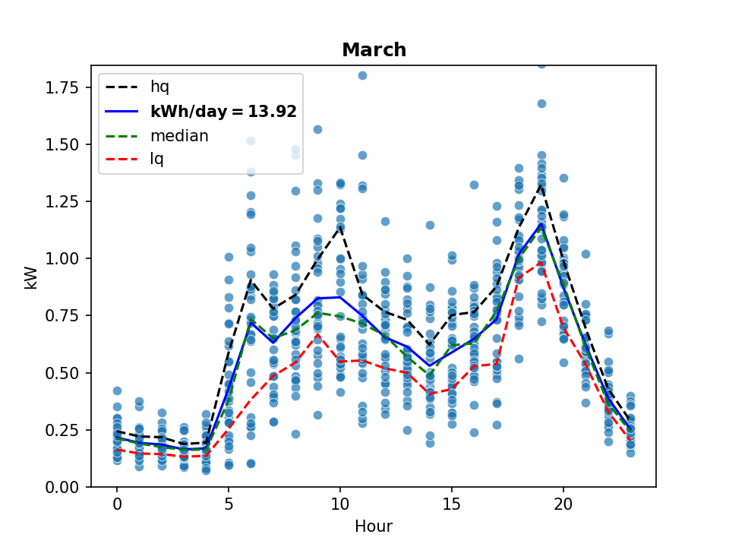
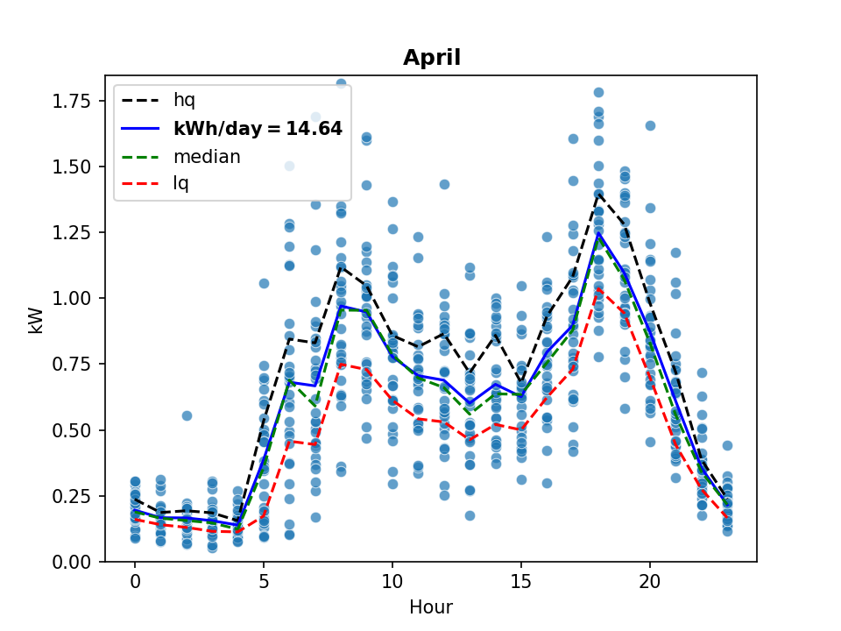
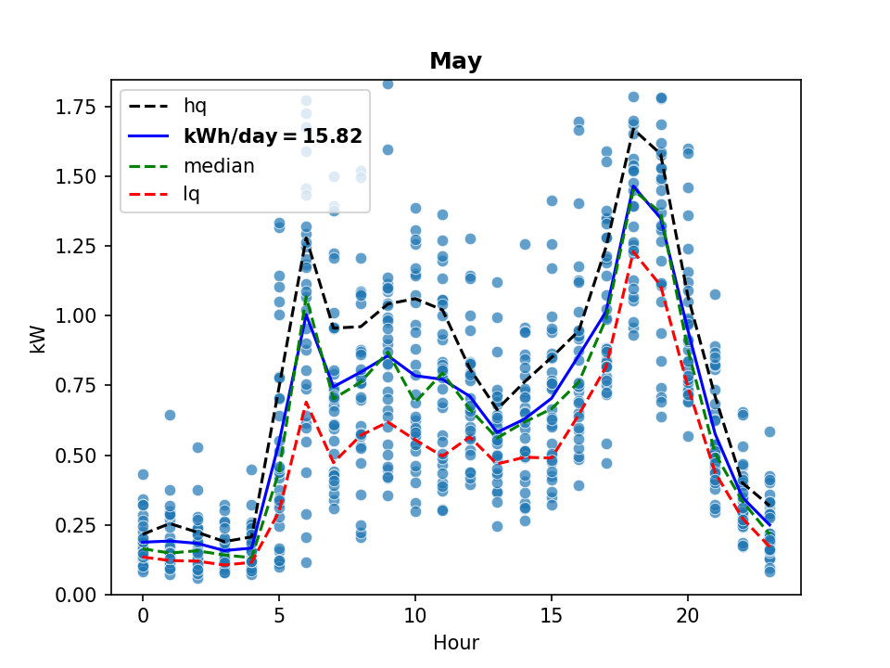
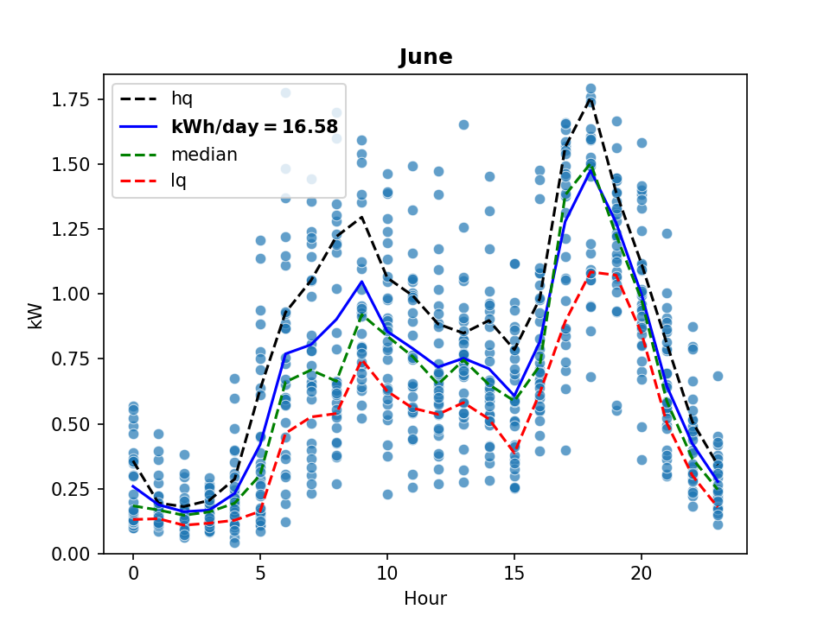
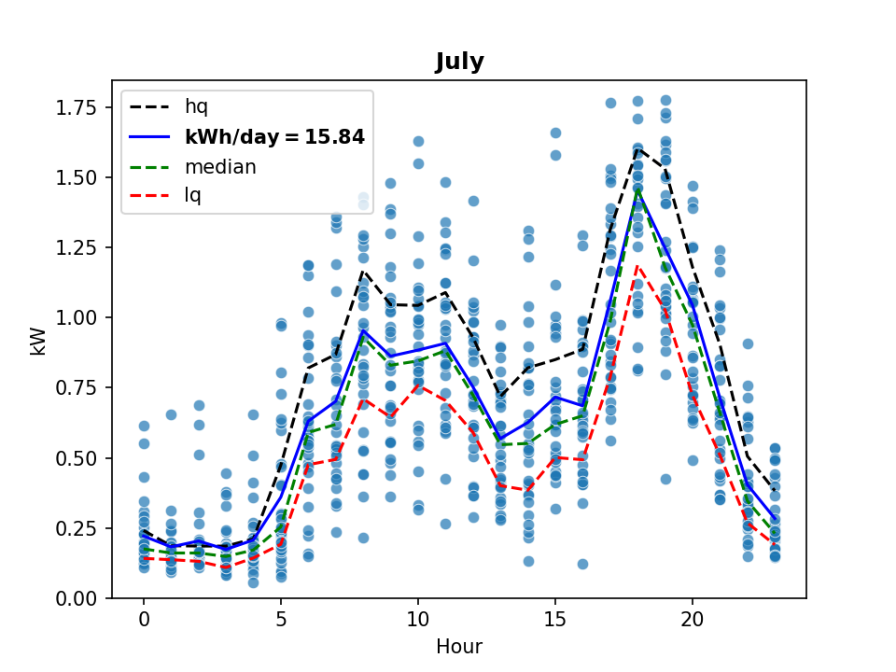
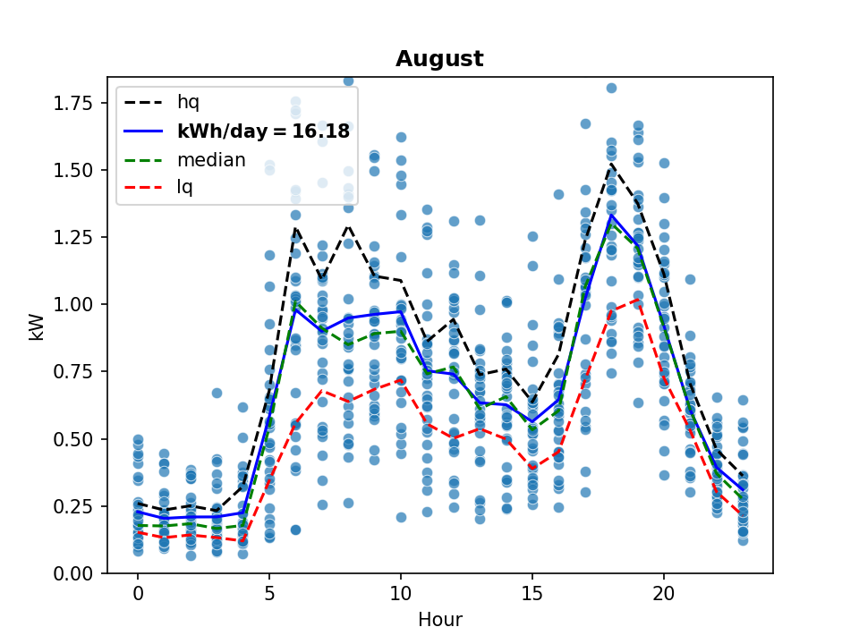
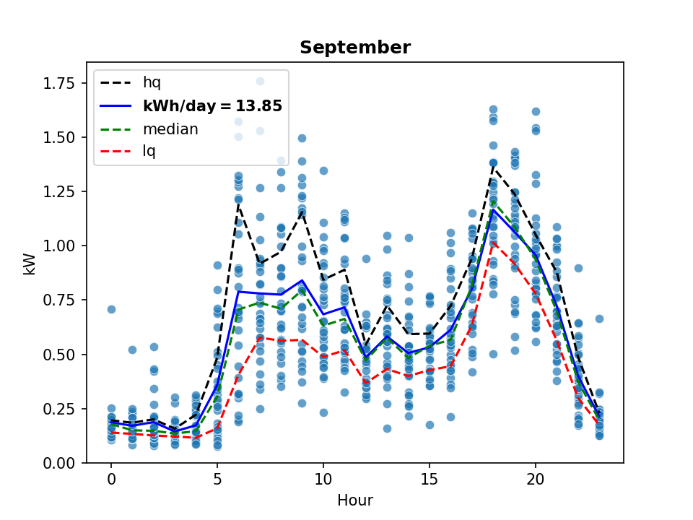
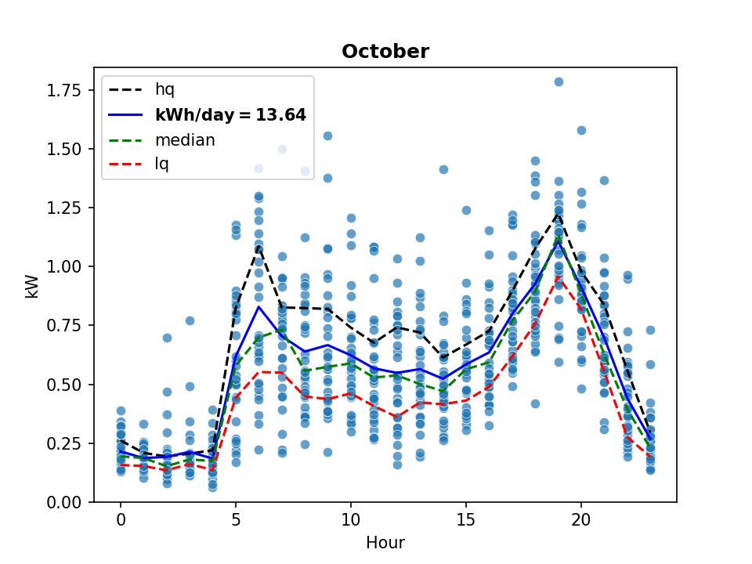
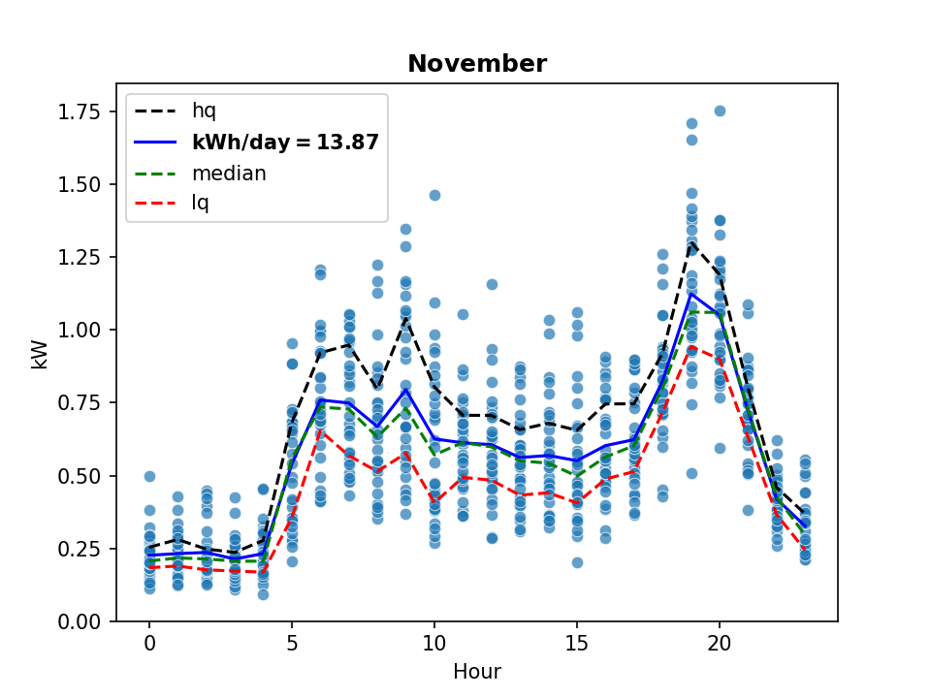
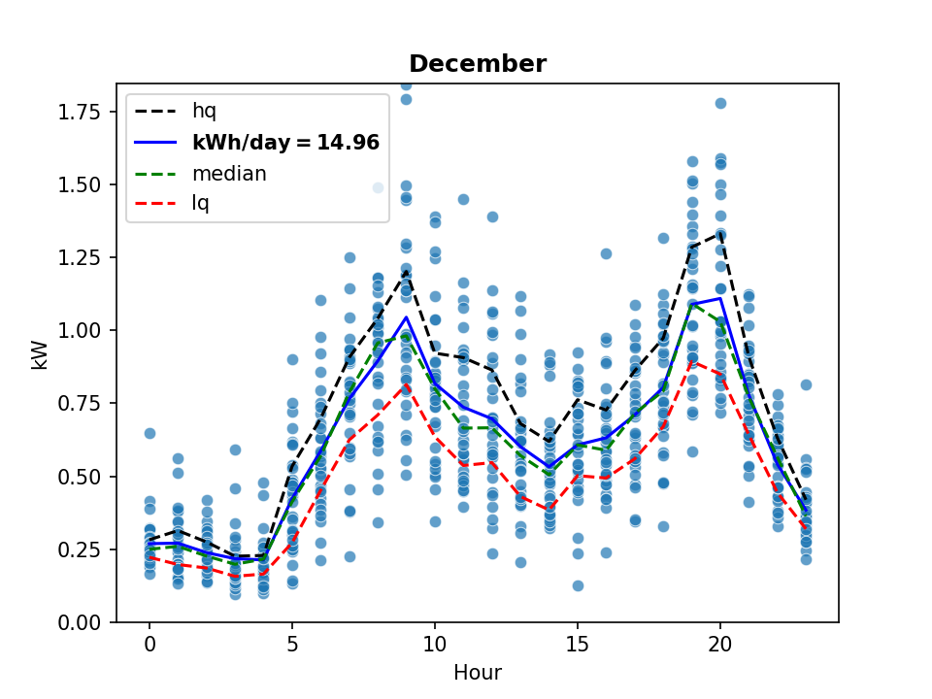
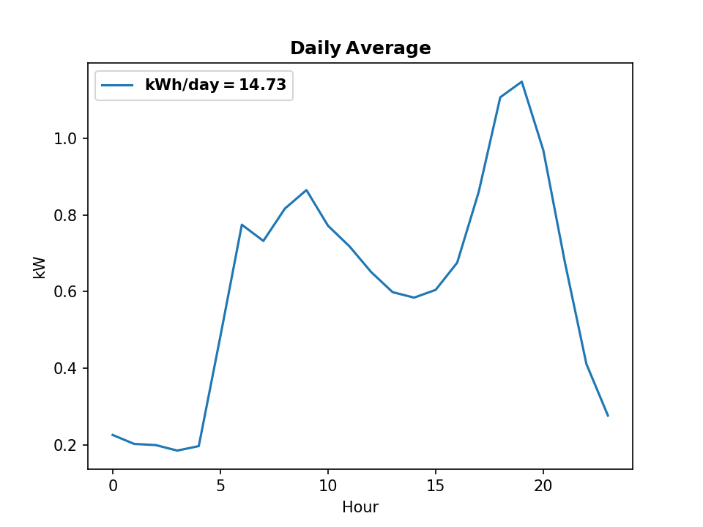
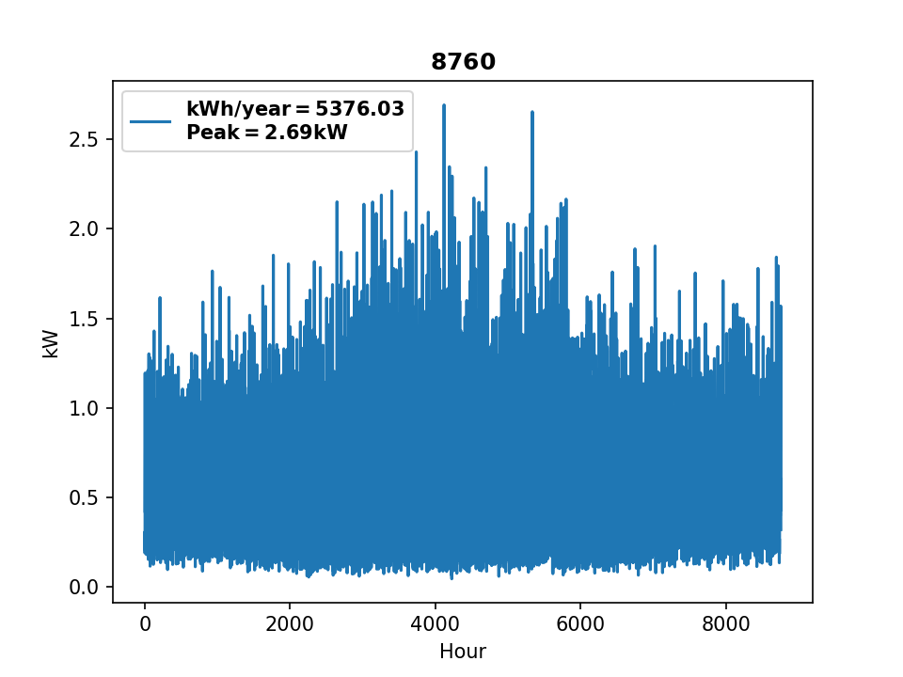
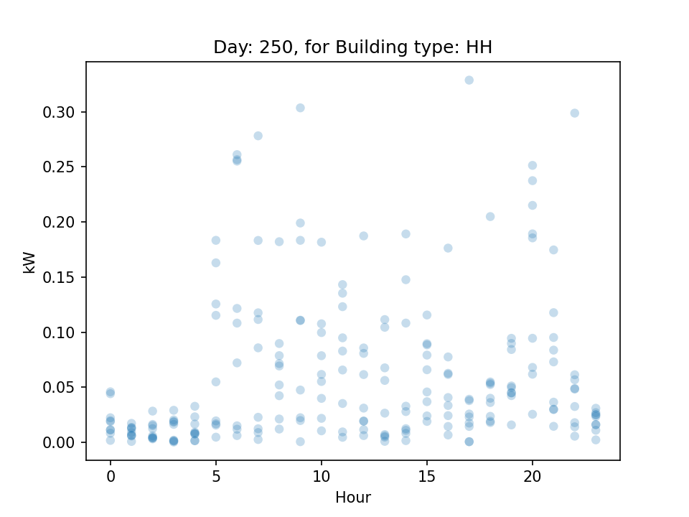
Community Name | MAT_7_MALIEKETSENG |  |  |  | Simulation Time
No. Connections | 9 |  |  |  | 37
Simulation Date | 16/07/2021
USER INPUTS
 |  | Price Elasticity | Load Data Source | Base Price [ZAR] | Price Elasticity Coefficient
Households | 9 | 0.3 | MAKEBE | 5 | 1
SMEs | 0 | 0 | DENTMETER | 1.5 | 0
Clinics | 0 | 0 | IOMETER | 1.5 | 0
Schools | 0 | 0 | KMETER | 1.5 | 0
Churches | 0 | 0 | HOBHOUSE | 1.35 | 0.60314360464
Other | 0
Granularity (mins) | 60
NRS/IO ratio | 85
Target tariff | 5
AVRG opd visits | 50
Allowable error | 0
Scale Factor | 1
Effective HH num | 9
Clinic Scale Factor | 1

